Foglio1
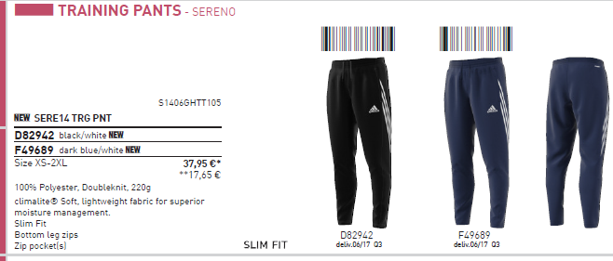
ADIDAS | MODEL | S | M | L | XL | XXL | TOT | LIST | TOT LIST | MADE IN
M35343 | CORE HOODY BLACK | 50 | 100 | 160 | 100 | 50 | 460 | 23.23 | 10685.80 | CHINA
S22334 | CORE HOODY NAVY | 50 | 100 | 160 | 100 | 50 | 460 | 23.23 | 10685.80
S22336 | CORE HOODY GREY | 50 | 100 | 160 | 100 | 50 | 460 | 23.23 | 10685.80
 |  |  |  |  |  |  |  |  | 0.00
M35330 | CORE SWT TOP BLACK | 30 | 60 | 80 | 60 | 30 | 260 | 20.91 | 5436.60 | VIETNAM
S22319 | CORE SWT TOP NAVY | 30 | 60 | 80 | 60 | 30 | 260 | 20.91 | 5436.60
 |  |  |  |  |  |  |  |  | 0.00
D82942 | SERE14 PANTS BLACK | 60 | 120 | 190 | 120 | 60 | 550 | 17.65 | 9707.50 | PHILIPPINES
F49689 | SERE14 PANTS NAVY | 25 | 55 | 80 | 55 | 25 | 240 | 17.65 | 4236.00
 |  |  |  |  |  |  |  |  | 56874.10

 |  |  |  |  |  | TOT | 2690

